Assortment
Valid till June 30, 2025
Buyer Company :
Address:
 | Enter your discount : | 0
 | Pay attention to the new arrivals |  |  |  |  |  |  | Total : | $- |  |  | 0.000 | 0.000
SKU Article | Products | Number | Price, USD | std. | pcs per block | MIN | ORDER | Price-% | Sum | kg | m3 | Weight (kg) | Volume (m3) | SATUS | Comments | VAT % | Images
16A4B | Escavator | 001 | $3.75 | 12 | 4 | 4 |  | $3.75 | $- | 0.223 | 0.000213 | 0 | 0 | New |  | 5% | 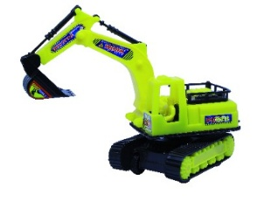
16A3C | Demolisher | 002 | $3.75 | 12 | 4 | 4 |  | $3.75 | $- | 0.223 | 0.000213 |  |  |  |  | 5% | 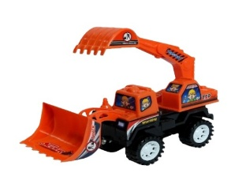
16A6N | Country tractor | 003 | $3.95 | 12 | 4 | 4 |  | $3.95 | $- | 0.243 | 0.000223 |  |  |  |  | 5% | 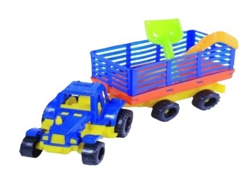
16A6L | Blue tractor | 004 | $3.55 | 12 | 4 | 4 |  | $3.55 | $- | 0.110 | 0.000211 |  |  |  |  | 5% | 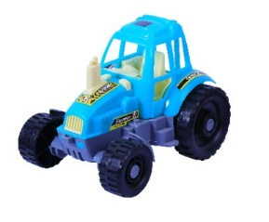
16A6Q | Heavy truck | 005 | $3.75 | 12 | 4 | 4 |  | $3.75 | $- | 0.304 | 0.000225 |  |  |  |  | 5% | 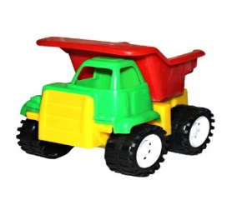
12A6A | Car trailer | 006 | $3.95 | 12 | 4 | 4 |  | $3.95 | $- | 0.323 | 0.000223 |  |  |  |  | 5% | 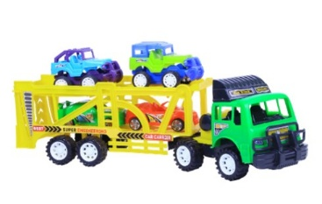
16A6S | Loader | 007 | $3.54 | 12 | 4 | 4 |  | $3.54 | $- | 0.254 |  |  |  |  |  | 5% | 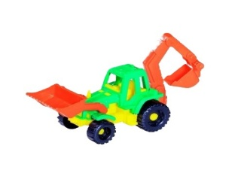
16A6T | Grader | 008 | $3.75 | 12 | 4 | 4 |  | $3.75 | $- | 0.287 |  |  |  |  |  | 5% | 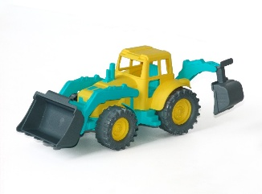
16A6Y | Small Sandy truck set | 009 | $3.75 | 12 | 4 | 4 |  | $3.75 | $- | 0.396 |  |  |  |  |  | 5% | 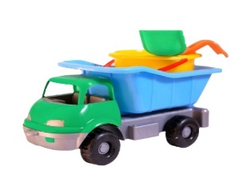
16A6P | Jeep | 010 | $3.65 | 12 | 4 | 4 |  | $3.65 | $- | 0.132 |  |  |  |  |  | 5% | 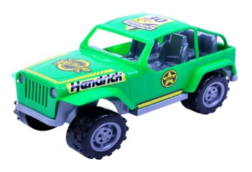
12A6U | Fire extinguisher | 011 | $4.15 | 12 | 4 | 4 |  | $4.15 | $- | 0.202 |  |  |  |  |  | 5% | 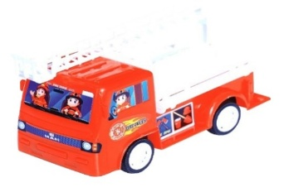
14B43B | Racing car | 012 | $3.20 | 12 | 4 | 4 |  | $3.20 | $- | 0.143 |  |  |  |  |  |  | 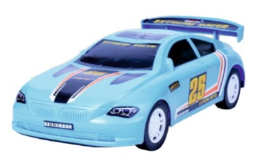
14B33C | Mini | 013 | $3.20 | 12 | 4 | 4 |  | $3.20 | $- | 0.130 |  |  |  |  |  |  | 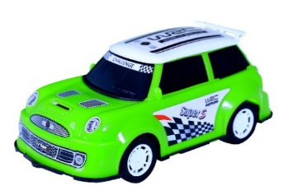
14N53C | White police | 014 | $3.20 | 12 | 4 | 4 |  | $3.20 | $- | 0.135 |  |  |  |  |  |  | 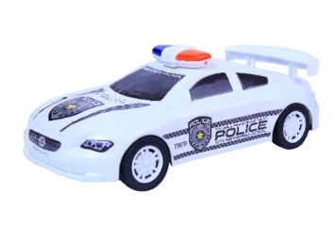
14P31S | McQueen medium | 015 | $3.80 | 12 | 4 | 4 |  | $3.80 | $- | 0.112 |  |  |  |  |  |  | 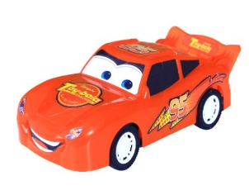
14P45G | McQueen big | 016 | $5.20 | 12 | 4 | 4 |  | $5.20 | $- | 0.140
14F32D | Racer | 017 | $3.95 | 12 | 4 | 4 |  | $3.95 | $- | 0.145
44B54W | Motor bike | 018 | $3.90 | 12 | 4 | 4 |  | $3.90 | $- | 0.195 |  |  |  |  |  |  | 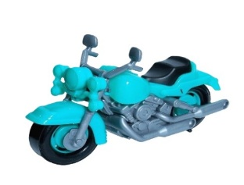
44B32Q | Motor bike Harley | 019 | $3.90 | 12 | 4 | 4 |  | $3.90 | $- | 0.175 |  |  |  |  |  |  | 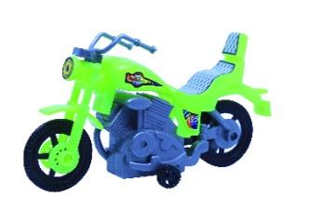
30F45Z | Helicopter | 020 | $3.70 | 12 | 4 | 4 |  | $3.70 | $- | 0.142 |  |  |  |  |  |  | 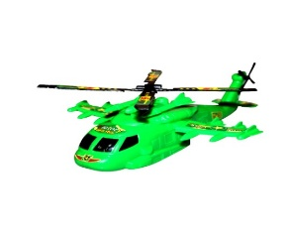
30F09L | Airplane | 021 | $4.30 | 12 | 4 | 4 |  | $4.30 | $- | 0.195 |  |  |  |  |  |  | 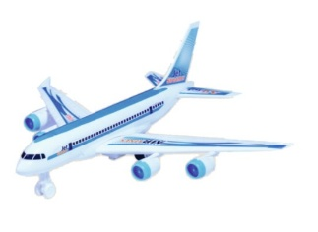
21H32K | Sandy bucket set | 022 | $3.90 | 12 | 4 | 4 |  | $3.90 | $- | 0.220 |  |  |  |  |  |  | 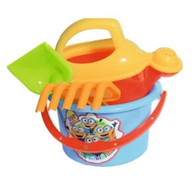
21H98Y | Large sandy bucket set | 023 | $4.86 | 10 | 5 | 5 |  | $4.86 | $- | 0.256 |  |  |  |  |  |  | 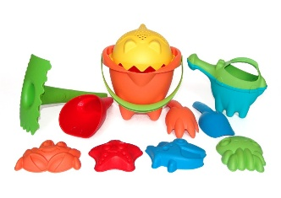 | 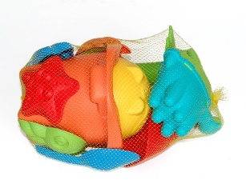
20I67F | Stepper | 024 | $3.98 | 12 | 4 | 4 |  | $3.98 | $- | 0.198
19L03H | Shovel | 025 | $1.80 | 20 | 5 | 5 |  | $1.80 | $- | 0.165 |  |  |  |  |  |  | 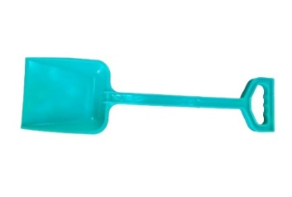
21P40D | Tower set | 026 | $4.76 | 10 | 5 | 5 |  | $4.76 | $- | 0.315 |  |  |  |  |  |  | 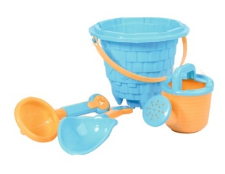
31O46A | Dish set | 027 | $7.86 | 8 | 4 | 4 |  | $7.86 | $- | 0.404 |  |  |  |  |  |  | 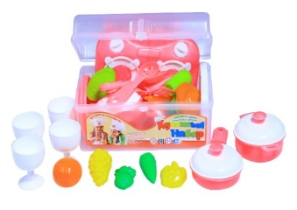
31P40H | Large dish set | 028 | $8.95 | 8 | 4 | 4 |  | $8.95 | $- | 0.432 |  |  |  |  |  |  | 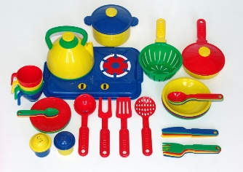
09G52O | Iron set | 029 | $4.15 | 12 | 6 | 6 |  | $4.15 | $- | 0.174 |  |  |  |  |  |  | 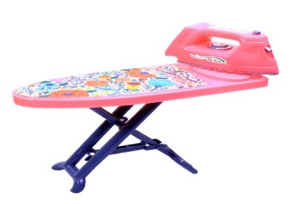
09G23T | Iron | 030 | $6.30 | 10 | 6 | 6 |  | $6.30 | $- | 0.290 |  |  |  |  |  |  | 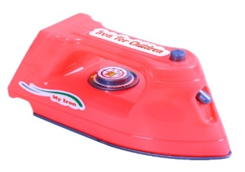
12G88G | Soucepan | 031 | $2.30 | 10 | 5 | 5 |  | $2.30 | $- | 0.295 |  |  |  |  |  |  | 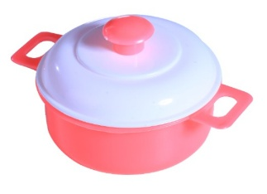
15F32J | Tea set | 032 | $4.70 | 10 | 5 | 5 |  | $4.70 | $- | 0.300 |  |  |  |  |  |  | 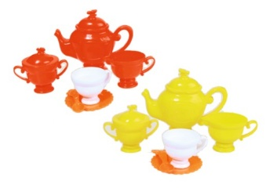
15F23D | Sauna tea set | 033 | $5.20 | 10 | 5 | 5 |  | $5.20 | $- | 0.305 |  |  |  |  |  |  | 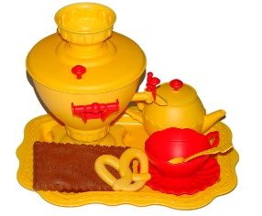
15D34H | Dastarhan set | 034 | $6.32 | 10 | 5 | 5 |  | $6.32 | $- | 0.305 |  |  |  |  |  |  | 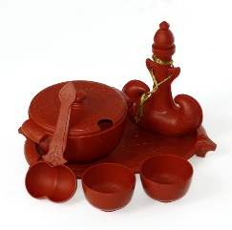
20B34A | 4 person tea set | 035 | $4.96 | 10 | 5 | 5 |  | $4.96 | $- | 0.296 |  |  |  |  |  |  | 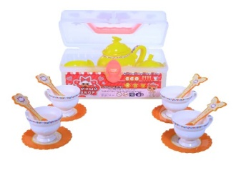
20А4C | House set | 036 | $11.45 | 12 | 6 | 6 |  | $11.45 | $- | 0.383 |  | 0.000 | 0.000 | New |  | 5%
23А4X | Doctor bag | 037 | $3.34 | 12 | 4 | 4 |  | $3.34 | $- | 0.216 |  | 0.000 | 0.000 | New |  | 5% | 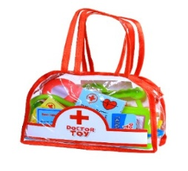
31А4В | Constructor ser | 038 | $12.20 | 6 | 3 | 3 |  | $12.20 | $- | 0.535 |  | 0.000 | 0.000 | New |  | 5% | 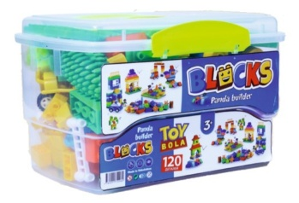
32А7X | Purse | 039 | $3.50 | 16 | 4 | 4 |  | $3.50 | $- | 0.186 |  | 0.000 | 0.000 | New |  | 5% | 