Pirates
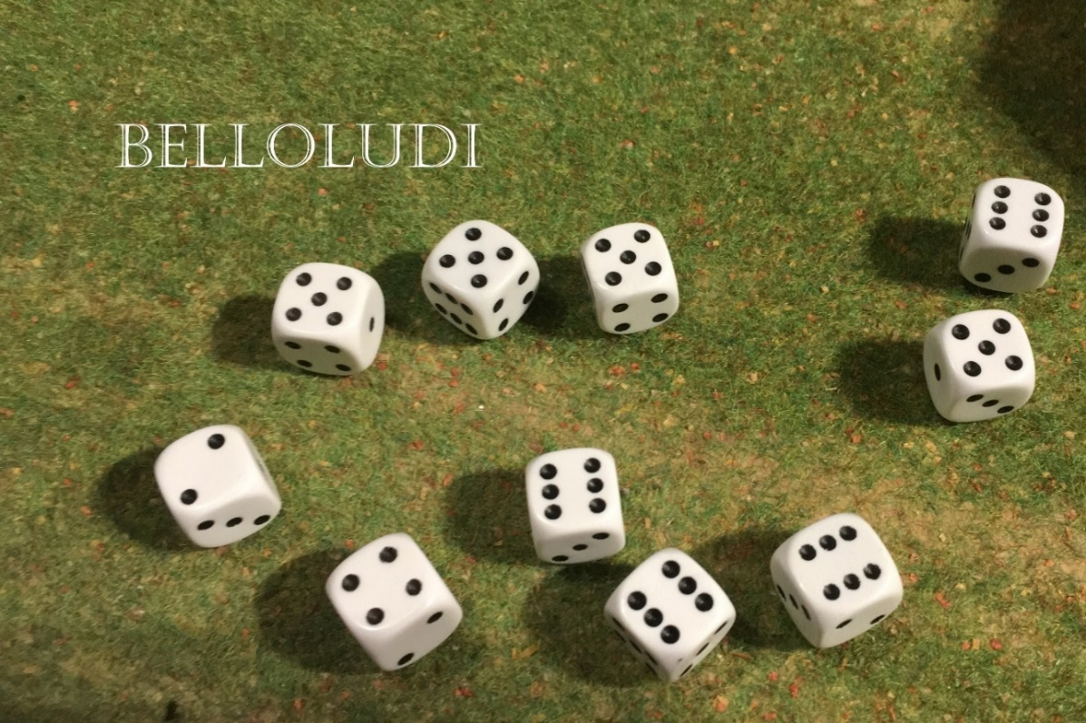
Pirate per miniature | Points | Number of miniatures | Sub Total
CO figure | 0 |  | 0
Additional Commandeur | 100 |  | 0
Infantry | 10 |  | 0
Infantry militia | 8 |  | 0
Infantry Elite | 12 |  | 0
Warband warrior | 11 |  | 0
extra hand weapon | 5 |  | 0
Bow | 4 |  | 0
Spear | 1 |  | 0
Double Handed weapon | 5 |  | 0
pikes | 2 |  | 0
longbow | 6 |  | 0
Muskets | 8 |  | 0
Crossbow | 8 |  | 0
Musician | 10 |  | 0
Banner | 10 |  | 0
Religious man/ woman | 100 |  | 0
Repeating handcannon or crossbow | 20 |  | 0
Grenades | 1 |  | 0
Cavalry |  |  | 0
Mount | 15 |  | 0
Spear | 2 |  | 0
Lances | 4 |  | 0
 |  |  | 0
 |  |  | 0
Artillery (all regular) |  |  | 0
 |  |  | 0
artillery piece (including 5 crew) | 20 |  | 0
Cannon on boat | 10 |  | 0
 |  |  | 0
ships |  |  | 0
boat | 15 |  | 0
2 decks | 40 |  | 0
3 decks | 80 |  | 0
4 or more decks | 160 |  | 0
speed upgrade 3" | 10 |  | 0
 |  |  | 0

Total |  |  | 0

