Instructions
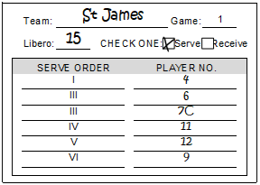
TEAM ROSTER

Roster:
1 | Write in your team's name and check "home" or "visitor."
2 | Write each player's number and name (last name, then first name) in the space provided on the roster.
3 | The libero with two numbers shall be listed with non-libero number followed by libero number (e.g., 14/L15)
Note: The team roster is to be turned in to the scorer 10 minutes prior to the end of timed, prematch warm-up.

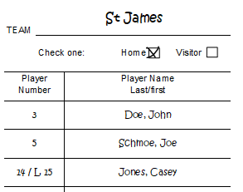

TEAM LINEUP SHEET

Lineup:
1 | Check if your team will serve or receive.
2 | List numbers of the starting lineup — in proper serving order to start the game -- on the appropriate game lineup sheet.
3 | Mark the floor captain with a: "С."
4 | Designate the uniform number (from the team roster) of the libero player for each game in the space provided.
Note. The lineup must be submitted to the scorer two minutes prior to the end of timed, prematch warm-up.

