Graph Docket v Revenue
Docket Rentals Vs. Revenue
 | Docket Rentals | Revenue
Jan 2026 | 0 | $-
Feb 2026 | 0 | $-
Mar 2026 | 0 | $-
Apr 2026 | 0 | $-
May 2026 | 0 | $-
Jun 2026 | 0 | $-
Jul 2026 | 0 | $-
Aug 2026 | 0 | $-
Sep 2026 | 0 | $-
Oct 2026 | 0 | $-
Nov 2026 | 0 | $-
Dec 2026 | 0 | $-

Graph Trending KPIs
Trending KPI Graph
 | # Turns KPI | Ttl Hauls/Day | Ttl Prod per Driver/Day
Jan 2026 | 0.00 | 0.00 | 0.00
Feb 2026 | 0.00 | 0.00 | 0.00
Mar 2026 | 0.00 | 0.00 | 0.00
Apr 2026 | 0.00 | 0.00 | 0.00
May 2026 | 0.00 | 0.00 | 0.00
Jun 2026 | 0.00 | 0.00 | 0.00
Jul 2026 | 0.00 | 0.00 | 0.00
Aug 2026 | 0.00 | 0.00 | 0.00
Sep 2026 | 0.00 | 0.00 | 0.00
Oct 2026 | 0.00 | 0.00 | 0.00
Nov 2026 | 0.00 | 0.00 | 0.00
Dec 2026 | 0.00 | 0.00 | 0.00
EoY Avg/Total/% | 0.00 | 0.00
Monthly Break Even
rb+ Avg 9/10 trucks 2025 (2; 1 May, 1 October)

EoY Graph
Historic Docket Rentals Vs. Revenue
 | Docket Rentals | Docket Rentals | Docket Rentals | Revenue | Revenue | Revenue
Jan
Feb
Mar
Apr
May
Jun
Jul
Aug
Sep
Oct
Nov
Dec

2026
2025
2024
2025
2024

Instructions
KPI Calculator Instructions:
 | Fill in all Orange cells on green tabs.
 | Grey cells will autogenrate the correct data.
 | Red tabs will autogenerate from other tabs.

Reports Needed:
 | 1) Docket: Driver Summary report
 | 2) Docket: Sales Report- summary
 | 3) Docket: Rental Length by Category- summary
 | (See example to side)-------->
 | 4) Docket: Times Entries report- summary
 | 5) Complete Profit & Loss statement

Step 1:
145 days 5 hrs and 30 mins
(rounds up to)
145 days and 6 hrs total
Step 2:
6hrs =.25 days
24hrs
Total Rental Length: 145.25 days
 | If you need help contact your RBC:
 | Stephen Wiles- (720) 635-9573; SWiles@redboxplus.com
 | Amanda Cole- (734) 218-9075; ACole@redboxplus.com
 | Keith Williams- (864) 937-0174; KWilliams@redboxplus.com
 | Bill Schwartz- (262) 617-7138; BSchwartz@redboxplus.com

2026 Goals
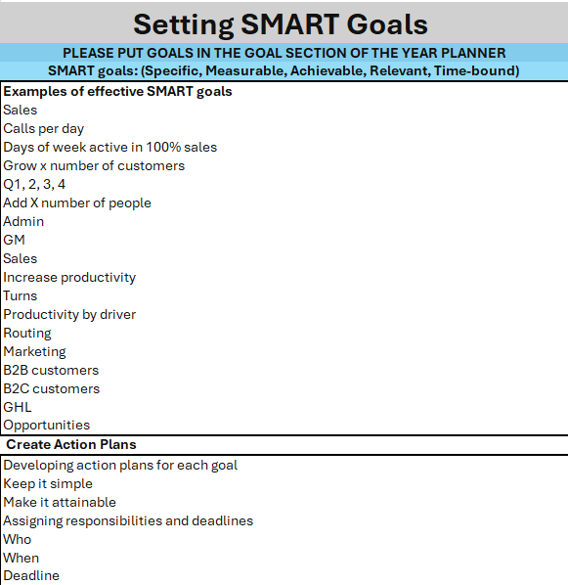
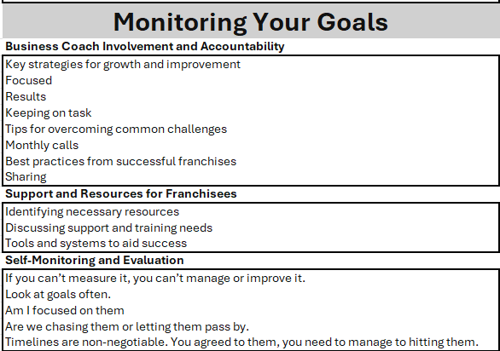
 | Docket Rentals | # Turns KPI | Total Revenue | Milestones/Notes | Important Notes
Jan 2026 | 0 |  | $- | Revenue: 15% increase across Q1 | Driver Hours Actual vs Industry Standard
Feb 2026 | 0 |  | $- |  | Actual: 40 hrs/wk; 160 hrs/mth for full-time
Mar 2026 | 0 |  | $- |  | Industry Standard: 48 hrs/wk; 192 hrs/mth for full-time
Apr 2026 | 0 |  | $- | Revenue: 30% increase across Q2 | Insurance
May 2026 | 0 |  | $- |  | Divide your payments evenly over 12 months
Jun 2026 | 0 |  | $- |  | Marketing
Jul 2026 | 0 |  | $- | Revenue: 30% increase across Q3 | Franchise standard: 5% of monthly revenue
Aug 2026 | 0 |  | $- |  | Local Marketing in territory may take more than 5%
Sep 2026 | 0 |  | $- |  | Turns KPI
Oct 2026 | 0 |  | $- | Revenue: 25% increase across Q4 | redbox+ Q1-Q2 Goal: 1.8 turns per container per month
Nov 2026 | 0 |  | $- |  | redbox+ Q3-Q4 Goal: 2.0 turns per container per month
Dec 2026 | 0 |  | $- |  | Utilization %: 90% Industry Standard
Monthly Break Even | #DIV/0! | #DIV/0! |  | Example Milestones/Notes: Adding trucks/dumpsters, staff changes, weather events
 |  |  |  | Vision for 2026
 |  |  |  | Franchisee’s vision 2026

 |  |  |  | Key focus Areas for 2025
 |  |  |  | Sales

 |  |  |  | People

 |  |  |  | Assets

 |  |  |  | Operations

 |  |  |  | Market expansion/contraction

 |  |  |  | Other

