Surface Water
EPA Licence Number: 21177
Licensee: Penrose Pine Products Pty Ltd

EPA Identification Number: 1
EPA Identification Number: 2
Discharge to Waters - Discharge Quality Monitoring
Sampling/monitoring location map:
 |  |  | 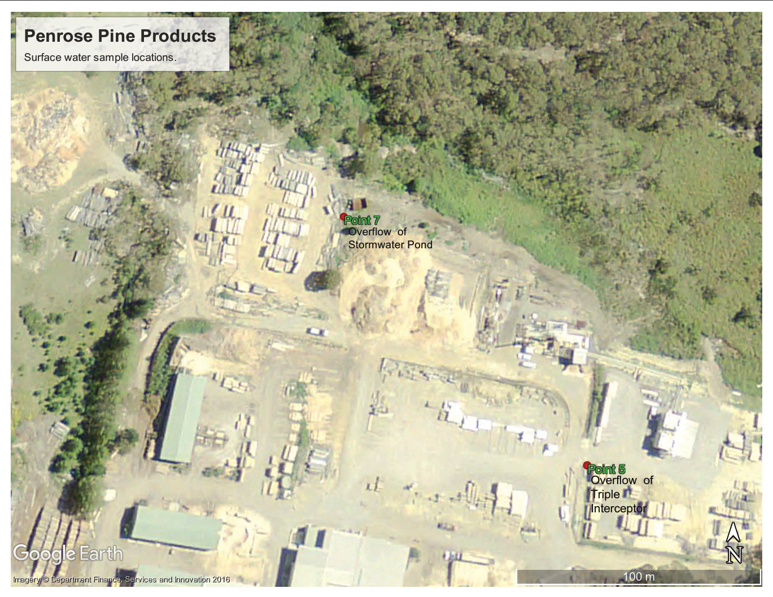
Monitoring Requirements:
Pollutant |  |  | Units of Measure |  | Frequency | Sampling Method |  | Level of Reporting
EA005P: pH by PC Titrator | pH Value |  | pH |  | Quarterly during discharge | Grab sample |  | 0.01
EA025: Total Suspended Solids dried at 104 ± 2°C | Total suspended solids |  | milligrams per litre |  | Quarterly during discharge | Grab sample |  | 5
EP020: Oil and Grease (O&G) | Oil and Greas |  | milligrams per litre |  | Quarterly during discharge | Grab sample |  | 5

 | ANZG (2018) Default guideline values - freshwaters (95% species protection)

Monitoring Results:
Commentary - July 2024: Refer attached lab test reports from IMEM
Commentary - March 2023: In summary, total suspended solids in Location 1 and Location 2 are on a decreasing trend. pH in both samples in both locations is steady. Oil & grease concentrations remain below laboratory detection levels.
Commentary - July 2023: In summary, total suspended solids (TSS) concentration was 52mg/L and is on a general decreasing trend. pH of 6.75 is the same order of magnitude as previously reported and equals the average pH over time. Oil & Grease concentration was below the detection limit (5mg/L). No test samples recorded at Location 1 due to light rail in the period reulting in no discharge event.

 |  |  |  |  |  |  | Pollutant
Period | EPA Licence Identifcation Number | Sample Identification | Laboratory Reference | Sample Date | Comments / observations |  | pH Value | Total Suspended Solids (TSS) | Oil & Grease
 |  |  |  |  |  |  | Unit (pH) | Unit (mg/L) | Unti (mg/L)
 |  |  |  |  |  |  | LOR 0.01 | LOR 5 | LOR 5
Q1 2019 | 1 | Point 7 | ----- | ----- | No samples collected in the quarter due to no discharge of water while staff on site at the licensed discharge points with low rainfall, dry underlying conditions and effective deployment of sediment traps. |  | ---- | ---- | ----
 | 2 | Point 5 | ----- | ----- | No samples collected in the quarter due to no discharge of water while staff on site at the licensed discharge points with low rainfall, dry underlying conditions and effective deployment of sediment traps. |  | ---- | ---- | ----
Q2 2019 | 1 | Point 7 | ----- | ----- | No samples collected in the quarter due to no discharge of water while staff on site at the licensed discharge points with low rainfall, dry underlying conditions and effective deployment of sediment traps. |  | ---- | ---- | ----
 | 2 | Point 5 | ----- | ----- | No samples collected in the quarter due to no discharge of water while staff on site at the licensed discharge points with low rainfall, dry underlying conditions and effective deployment of sediment traps. |  | ---- | ---- | ----
Q3 2019 | 1 | Point 7 | ----- | ----- | No samples collected in the quarter due to no discharge of water while staff on site at the licensed discharge points with low rainfall, dry underlying conditions and effective deployment of sediment traps. |  | ---- | ---- | ----
 | 2 | Point 5 | ----- | ----- | No samples collected in the quarter due to no discharge of water while staff on site at the licensed discharge points with low rainfall, dry underlying conditions and effective deployment of sediment traps. |  | ---- | ---- | ----
Q4 2019 | 1 | Point 7 | ----- | ----- | No samples collected in the quarter due to no discharge of water while staff on site at the licensed discharge points with low rainfall, dry underlying conditions and effective deployment of sediment traps. |  | ---- | ---- | ----
 | 2 | Point 5 | ----- | ----- | No samples collected in the quarter due to no discharge of water while staff on site at the licensed discharge points with low rainfall, dry underlying conditions and effective deployment of sediment traps. |  | ---- | ---- | ----
Q1 2020 | 1 | Point 7 | ES2013515001 | 2020-02-10 |  |  | 7.03 | 43 | 5
 | 2 | Point 5 | ES2013515002 | 2020-02-10 |  |  | 6.93 | 33 | <5
Q2 2020 | 1 | Point 7 | ES2015323001 | 2020-04-30 |  |  | 6.93 | 148 | <5
 | 2 | Point 5 | ES2015323002 | 2020-04-30 |  |  | 6.86 | 318 | 7
Q3 2020 | 1 | Point 7 | ES2028268001 | 2020-08-10 |  |  | 7.51 | 60 | <5
 | 2 | Point 5 | ES2028268002 | 2020-08-10 |  |  | 6.56 | 282 | 6
Q4 2020 | 1 | Point 7 | ES2039002001 | 2020-11-01 | Oil & Grease test not conducted due to incorrect bottles used to collect samples |  | 7.48 | 278
 | 2 | Point 5 | ES2039002002 | 2020-11-01 | Oil & Grease test not conducted due to incorrect bottles used to collect samples |  | 6.39 | 724
Q1 2021 | 1 | Point 7 | ES2111057001 | 2021-03-25 |  |  | 7.04 | 34 | 8
 | 2 | Point 5 | ES2111057002 | 2021-03-25 |  |  | 5.76 | 187 | <5
Q2 2021 | 1 | Point 7 | ----- | ----- | No samples collected in the quarter due to no discharge of water while staff on site at the licensed discharge points with low rainfall, dry underlying conditions and effective deployment of sediment traps.
 | 2 | Point 5 | ----- | ----- | No samples collected in the quarter due to no discharge of water while staff on site at the licensed discharge points with low rainfall, dry underlying conditions and effective deployment of sediment traps.
Q3 2021 | 1 | Point 7 | ----- | ----- | No samples collected in the quarter due to no discharge of water while staff on site at the licensed discharge points with low rainfall, dry underlying conditions and effective deployment of sediment traps.
 | 2 | Point 5 | ----- | ----- | No samples collected in the quarter due to no discharge of water while staff on site at the licensed discharge points with low rainfall, dry underlying conditions and effective deployment of sediment traps.
Q4 2021 | 1 | Point 7 | ES2140365001 | 2021-11-08 | Oil & Grease test initially missed due to incorrect sampling procedure. Re-test completed 7th Dec - refer below results |  | 7.49 | 49
 | 2 | Point 5 | ES2140365002 | 2021-11-08 | Oil & Grease test initially missed due to incorrect sampling procedure. Re-test completed 7th Dec - refer below results |  | 7.04 | 195
 | 1 | Point 7 | ES2144872001 | 2021-12-07 | Monitoring repeated in the period to account for missed Oil & Grease samples in first test |  | 7.74 | 58 | <5
 | 2 | Point 5 | ES2144872002 | 2021-12-07 | Monitoring repeated in the period to account for missed Oil & Grease samples in first test |  | 7.32 | 545 | 11
Q1 2022 | 1 | Point 7 | ES2209024001 | 2022-03-14 |  |  | 6.67 | 159 | <5
 | 2 | Point 5 | ES2209024002 | 2022-03-14 |  |  | 6.74 | 140 | <5
Q2 2022 | 1 | Point 7 | ----- | ----- | A discharge event in early in Quarter 2 was not sampled as it was close to the Quarter 1 sample date. No further discharge of water while staff on site in the remainder of the quarter.
 | 2 | Point 5 | ----- | ----- | A discharge event in early in Quarter 2 was not sampled as it was close to the Quarter 1 sample date. No further discharge of water while staff on site in the remainder of the quarter.
...

Ground Water
EPA Licence Number: 21177
Licensee: Penrose Pine Products Pty Ltd

EPA Identification Number: 3
EPA Identification Number: 5
EPA Identification Number: 6
EPA Identification Number: 4
EPA Identification Number: 7
EPA Identification Number: 8
Ground Water Quality Monitoring
Sampling/monitoring location map:
 |  |  | 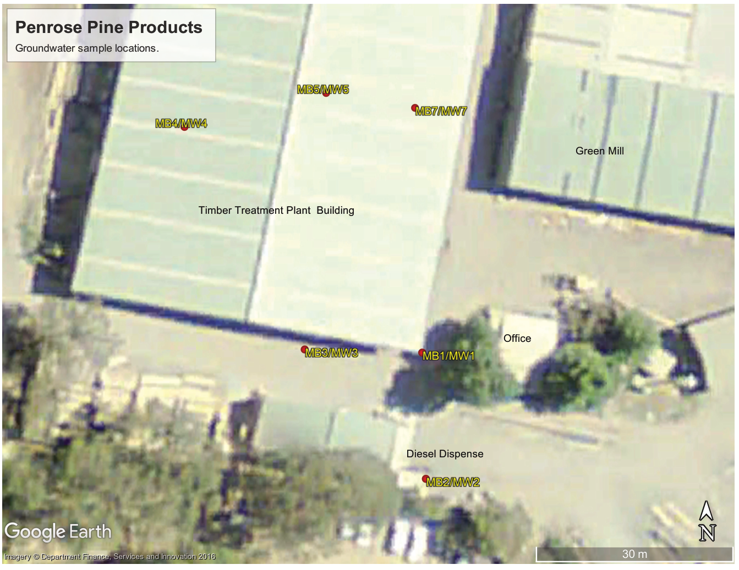
Monitoring Requirements:
EPA Identification Number 3, 4, 5, 6, 7, 8

 |  |  | Pollutant |  | Units of Measure | Frequency | Sampling Method
 |  |  | Total petroleum hydrocarbons |  | milligrams per litre | Every 6 months | Grab sample

EPA Identification Number 4, 5, 6, 7, 8

 |  |  | Pollutant |  | Units of Measure | Frequency | Sampling Method
 |  |  | Aresenic |  | milligrams per litre | Every 6 months | Grab sample
...
 |  |  | Toluene |  | milligrams per litre | Every 6 months | Grab sample
 |  |  | Xylene |  | milligrams per litre | Every 6 months | Grab sample

Monitoring Results:

Commentary - July 2024 Please see attached test reports from IMEMS Pty Ltd

Notes: Where the ANZG (2018) threshold shows values for speciated analytes, the most conservative value applies (i.e. Arsenic threshold is 0.013mg/L
 |  |  |  |  |  |  |  | ANZG (2018) Default guideline values - freshwaters (95% species protection)
 |  |  |  |  |  | AsIII 0.024 AsV 0.013 | AsIII 0.024 AsV 0.013 | CrIII 0.033 CrV 0.001 | CrIII 0.033 CrV 0.001 | 0.0014
 |  |  |  |  |  | Metals
Period | EPA Licence Reference Location | Sample identification | Laboratory reference | Sample date | Comments / observations | Dissolved Arsenic | Total Arsenic | Dissolved Chromium | Total Chromium | Dissolved Copper
 |  |  |  |  |  | mg/L | mg/L | mg/L | mg/L | mg/L
 |  |  |  |  |  | 0.001 | 0.001 | 0.001 | 0.001 | 0.001
H1 2019 | 3 | MB1/MW1 | ----- | ----- | No samples collected in the period due to dry monitoring wells | ---- | ---- | ---- | ---- | ----
 | 4 | MB2/MW2 | ----- | ----- |  | ---- | ---- | ---- | ---- | ----
 | 5 | MB3/MW3 | ----- | ----- |  | ---- | ---- | ---- | ---- | ----
 | 6 | MB4/MW4 | ----- | ----- |  | ---- | ---- | ---- | ---- | ----
 | 7 | MB5/MW5 | ----- | ----- |  | ---- | ---- | ---- | ---- | ----
 | 8 | MB7/MW7 | ----- | ----- |  | ---- | ---- | ---- | ---- | ----
...
 |  |  | Pollutant |  | Units of Measure | Frequency | Sampling Method
 |  |  | Total petroleum hydrocarbons |  | milligrams per litre | Every 6 months | Grab sample
 | 7 | MB5/MW5 | ES2527133005 | 2025-09-02 |  | ---- | ---- | ---- | ---- | ---- | ---- | ---- | ---- | <20
 | 8 | MB7/MW7 | ES2527133006 | 2025-09-02 |  | ---- | ---- | ---- | ---- | ---- | ---- | ---- | ---- | <20

NOTES:
For the 13/12/2024 event, samples that were very turbid were not field filtered and Total Metals analysis was requested.
For the 9/07/2025 event, notation on ALS COA ES2521101 - It has been noted that filtered metals and hexavalent chromium concentrations are greater than total metals and hexavalent chromium, however the differences are within the limits of experimental variation.

Graphs & Stats
mean (average) |  | 6.80 | 7.07
min |  | 5.76 | 6.67
max |  | 7.52 | 7.74
standard deviation |  | 0.39 | 0.29
median |  | 6.80 | 7.01
20th percentile |  | 6.56 | 6.87
80th percentile |  | 7.06 | 7.28
(N) Number of sample events |  | 22 | 20

NOTES:
Analyte concentrates reported as less than level of reporting (<LOR), are shown in green highlighted font. For the purposes of statistical analysis, the non-detect concentrations are shown as the LOR.
 | pH
 |  | Point 5 | Point 7
 | 2020-02-10 | 6.93 | 7.03
 | 2020-04-30 | 6.86 | 6.93
 | 2020-08-10 | 6.56 | 7.51
 | 2020-11-01 | 6.39 | 7.48
 | 2021-03-25 | 5.76 | 7.04
 | 2021-11-08 | 7.04 | 7.49
 | 2021-12-07 | 7.32 | 7.74
 | 2022-03-14 | 6.74 | 6.67
 | 2022-08-04 | 7.25 | 7.23
 | 2023-01-18 | 6.88 | 6.85
 | 2023-03-13 | 6.56 | 6.71
 | 2023-06-28 | 6.75
 | 2023-08-15 | 7.52
 | 2023-11-25 | 6.76 | 6.89
 | 2024-01-16 | 7.07 | 7.18
 | 2024-04-05 | 6.22 | 6.7 | 2024-04-05 | 920 | 617 | 2024-04-05 | 5 | 5
 | 2024-07-05 | 6.55 | 6.87 | 2024-07-05 | 1750 | 814 | 2024-07-05 | 7 | 5
 | 2024-08-14 | 6.59 | 6.98 | 2024-08-14 | 318 | 86 | 2024-08-14 | 5 | 5
 | 2024-11-30 | 6.67 | 6.96 | 2024-11-30 | 58 | 201 | 2024-11-30 | 5 | 5
 | 2025-01-09 | 6.95 | 6.89 | 2025-01-09 | 42 | 14 | 2025-01-09 | 5 | 5
 | 2025-01-12 | 7.37 | 7.18 | 2025-01-12 | 46 | 204 | 2025-01-12 | 5 | 5
 | 2025-04-24 | 6.83 | 7.15 | 2025-04-24 | 428 | 205 | 2025-04-24 | 8 | 5

pH - Surface Waters
 | Point 5 | Point 7
2/10/2020 | 6.93 | 7.03
4/30/2020 | 6.86 | 6.93
8/10/2020 | 6.56 | 7.51
11/1/2020 | 6.39 | 7.48
3/25/2021 | 5.76 | 7.04
11/8/2021 | 7.04 | 7.49
12/7/2021 | 7.32 | 7.74
3/14/2022 | 6.74 | 6.67
8/4/2022 | 7.25 | 7.23
1/18/2023 | 6.88 | 6.85
3/13/2023 | 6.56 | 6.71
6/28/2023 | 6.75
8/15/2023 | 7.52
11/25/2023 | 6.76 | 6.89
1/16/2024 | 7.07 | 7.18
4/5/2024 | 6.22 | 6.7
7/5/2024 | 6.55 | 6.87
8/14/2024 | 6.59 | 6.98
11/30/2024 | 6.67 | 6.96
1/9/2025 | 6.95 | 6.89
1/12/2025 | 7.37 | 7.18
4/24/2025 | 6.83 | 7.15
TSS - Surface Waters
 | Point 5 | Point 7
2/10/2020 | 33 | 43
4/30/2020 | 318 | 148
8/10/2020 | 282 | 60
11/1/2020 | 724 | 278
3/25/2021 | 187 | 34
11/8/2021 | 195 | 49
12/7/2021 | 545 | 58
3/14/2022 | 140 | 159
8/4/2022 | 17 | 28
1/18/2023 | 10 | 19
3/13/2023 | 110 | 40
6/28/2023 | 52
8/15/2023 | 122
11/25/2023 | 172 | 33
1/16/2024 | 718 | 158
4/5/2024 | 920 | 617
7/5/2024 | 1750 | 814
8/14/2024 | 318 | 86
11/30/2024 | 58 | 201
1/9/2025 | 42 | 14
1/12/2025 | 46 | 204
4/24/2025 | 428 | 205
Oil & Grease - Surface Waters
 | Point 5 | Point 7
2/10/2020 | 5 | 5
4/30/2020 | 7 | 5
8/10/2020 | 6 | 5
11/1/2020
3/25/2021 | 5 | 8
11/8/2021
12/17/2021 | 11 | 5
3/14/2022 | 5 | 5
8/4/2022 | 5 | 5
1/18/2023 | 5 | 5
3/13/2023 | 5 | 5
6/28/2023 | 5
8/15/2023 | 5
11/25/2023 | 5 | 5
1/16/2024 | 5 | 5
4/5/2024 | 5 | 5
7/5/2024 | 7 | 5
8/14/2024 | 5 | 5
11/30/2024 | 5 | 5
1/9/2025 | 5 | 5
1/12/2025 | 5 | 5
4/24/2025 | 8 | 5

