Sheet1
mailing address:
PO Box 4466
Sussex , NB
E4E 5L6
POLEY MOUNTAIN RESORTS LTD.
www.poleymountain.com
(506) 433-7668 fax (506) 432-1009
civic address:
69 Poley Mountain Road
Waterford, NB
E4E 4Y2

2026-2027 PAYMENT PLAN APPLICATION
SEASON PASS TYPE |  | EARLY BIRD 2026/2027 (May 1, 2026 to November 1, 2026) |  |  | Additional Charges |  | ** Media Fee applicable only if pass holder does not already have a physical pass card or needs to replace a lost pass card
ADULT 18+ |  | $500.00 | + HST = | $575.00 | Admin Fee $5.75 | **Media Fee $5.75
SENIOR 65+ |  | $440.00 | + HST = | $506.00 | Admin Fee $5.75 | **Media Fee $5.75
SUPER SENIOR 80+ |  |  | FREE |  | Admin Fee $5.76 | **Media Fee $5.76
YOUTH 11-17 |  | $340.00 | + HST = | $391.00 | Admin Fee $5.75 | **Media Fee $5.75
CHILD 6-10 |  | $240.00 | + HST = | $276.00 | Admin Fee $5.75 | **Media Fee $5.75
CHILD 5 & UNDER |  |  | FREE |  | Admin Fee $5.75 | **Media Fee $5.75
FAMILY MAX PASS* |  | $1,540.00 | + HST = | $1,771.00 | Admin Fee $5.75/Person | **Media Fee $5.75
**Family Pass is based on 2 adults, and unlimited children (17 & under) **
ADD ON
POLEY SURE |  | $35.00 | + HST = | $40.25
Poley Sure is an insurance that protects your investment of a season pass. Poley Sure will guarantee a pro-rated refund if you are unable to Ski or Snowboard due to injury, illness or job transfer, exempt from COVID-19. The cost for Poley Sure is $35.00 plus HST and must be purchased at the same time you purchase your season pass and the coverage will be effective immediately.
POLEY SURE INSURANCE:

Required Information:
Name: |  |  |  |  |  | Phone:
Address: |  |  |  |  |  | Alt Phone:
City: |  |  | Province: |  |  | Postal Code:
Email:

Name of Passholder |  |  | D.O.B m/d/y | Pass Type | Media Fee | Poley Sure | Pass Price with HST

 |  |  |  |  | Admin Fee: $5.75 per person
 |  |  |  |  | Poley Sure: $40.25 per person
Installments Payment Options: |  |  |  |  |  | Total Amount$
Visa | MasterCard | American Express |  | Cheque
Name of Cardholder: |  |  |  |  |  | Expiry:

Credit Card #: |  |  |  |  |  | CVC:
**Post Dated Cheques must be submitted with application and dated the first of each month. $25.00 fee will apply for NSF. Season Pass is invalid until paid in full.
Please Specify the Installment Term you wish to Purchase:
Sign up in May for the 6 Month Payment Plan (Deadline May 31, 2026)
 | 6 Month Term, Payments on June 1, July 1, August 1, September 1, October 1 and Nov 1 2026.

Sign up in June for the 5 Month Payment Plan (Deadline June 30, 2026)
 | 5 Month Term, Payments on July 1, August 1 ,September 1, October 1 and November 1 2026

Sign up in July for the 4 Month Payment Plan (Deadline July 31,2026)
 | 4 Month Term, Payments on August 1, September 1, October 1 and November 1 2026

Sign up in August for the 3 Month Payment Plan (Deadline August 31, 2026)
 | 3 Month Term, Payments on September1 , October 1 and November 1, 2026
Sign up in September for the 2 Month Payment Plan (Deadline September 30, 2026)
 | 2 Month Term, Payments on October 1 and November 1, 2026

Please see Terms and Conditions (on reverse).
Please call 506-433-7668 or e-mail info@poleymountain.com for further information.
Please ensure all information submitted is clear and complete.
Upon Completion, Please sign for processing:
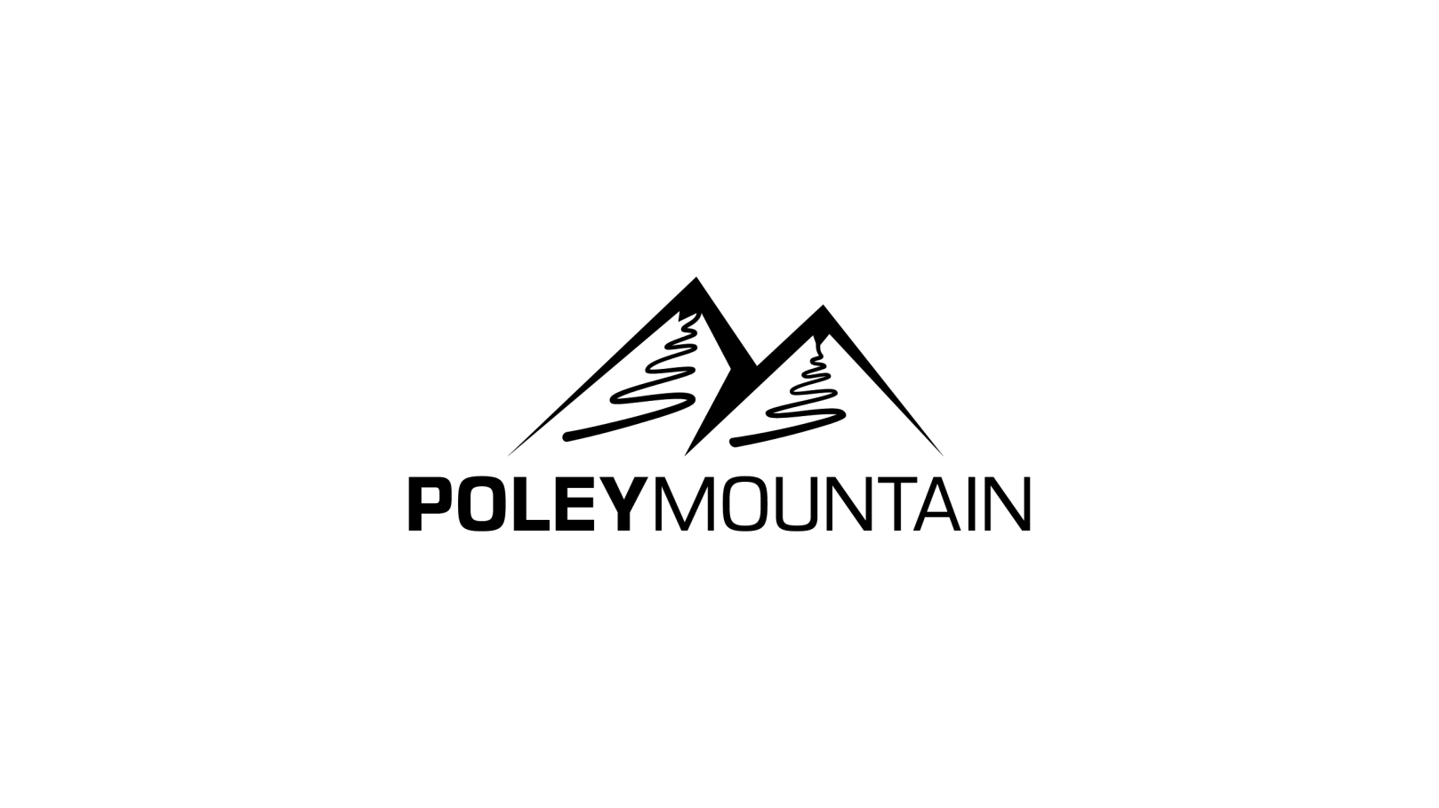
Signature: |  |  |  |  |  | Date:

2026-2027 PAYMENT PLAN TERMS AND CONDITIONS
Our payment plan is back again for another year. You will have the option to purchase your Early Bird Season Pass in full or you can take advantage of purchasing your season pass using our Payment Plan.

Starting May 1 , the Season Pass Payment Plan will be available. You can submit the application form by e-mail or mail to our administration department or call 433-7668 and we will set up the payment account for you. Early Bird Season Pass payments must be paid in full by November 1, 2026. Early Bird Season Pass Sale starts May 1, 2026 and ends November 1, 2026.

All season pass purchases after November 1 2026, must be paid in ONE LUMP SUM at the regular rates.
Early Bird Season Passes will be available for the Season Pass Payment Plan with the exception of the 2026 Bike/Summer Passes.
Terms and Conditions: |  |  |  |  | ** NSF Fee of $25 will Apply for non payment
To take advantage of the Season Pass Payment Plan, please note the following: Payments must be made by Visa, MasterCard, American Express or Post Dated Cheques. Cash and Money Orders will not be excepted for this service.

Please make sure all information on the form is is clear, complete and submited before the deadline.

The options are: 6 Month Payment Term, 5 Month Payment Term, 4 Month Payment Term, 3 Month Payment Term, 2 Month Payment Term.

For Visa, MasterCard, American Express and Post Dated Cheque Users:

Payment Schedule: |  | 6 Month Payment Term
**Post Dated Cheques must be |  |  | For the Months of June, July, August , September , October and November 2026
Submitted with the First Payment |  |  | The application must be submitted by May 31, 2026 to take advantage of the 6 month term.
and Dated for the First of Each Month |  |  | The first payment will be deducted from your account on June 1, 2026
 |  |  | with the remaining 5 payments due July 1, August 1, September 1, October 1, and November 1, 2026.

 |  | 5 Month Payment Term
 |  |  | For the Months of July, August, September , October and November 2026
 |  |  | The application must be submitted by June 30, 2026 to take advantage of the 5 month term.
 |  |  | The first payment will be deducted from your account on July 1, 2026
 |  |  | with the remaining 4 payments due August 1 , September 1, October 1, and November 1, 2026.

 |  | 4 Month Payment Term
 |  |  | For the Months of August, September, October and November 2026
 |  |  | The application must be submitted by July 31, 2026 to take advantage of the 4 month term.
 |  |  | The first payment will be deducted from your account on August 1, 2026
 |  |  | with the remaining 3 payments due September 1, October 1 and November 1 2026.

 |  | 3 Month Payment Term
 |  |  | For the Months of September, October, and November 2026
 |  |  | The application must be submitted by August 30 , 2026 to take advantage of the 3 month term.
 |  |  | The first payment will be deducted from your account on September 1, 2026
 |  |  | with the remaining payment due October 1, November 1 , 2026.
 |  | 2 Month Payment Term
 |  |  | For the Months of October and November 2026
 |  |  | The application must be submitted by Septemember 30, 2026 to take advantage of the 2 month term.
 |  |  | The first payment will be deducted from your account on October 1, 2026
 |  |  | with the remaining payment due November 1 , 2026.
ABSOLUTELY NO REFUNDS WILL BE GIVEN UNLESS YOU PURCHASE POLEY SURE INSURANCE. This applies to all Season Passes including those purchased on the Season Pass Payment Plan. **See Add On For Poley Sure Details**

 |  | Please call 506-433-7668 or e-mail: info@poleymountain.com for further information.

