Instructions
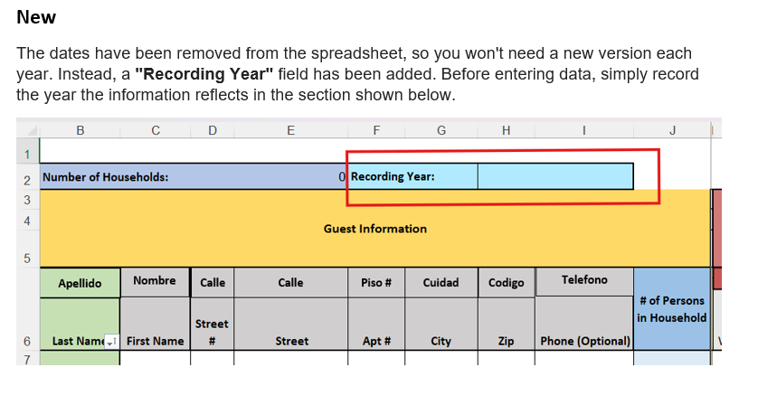

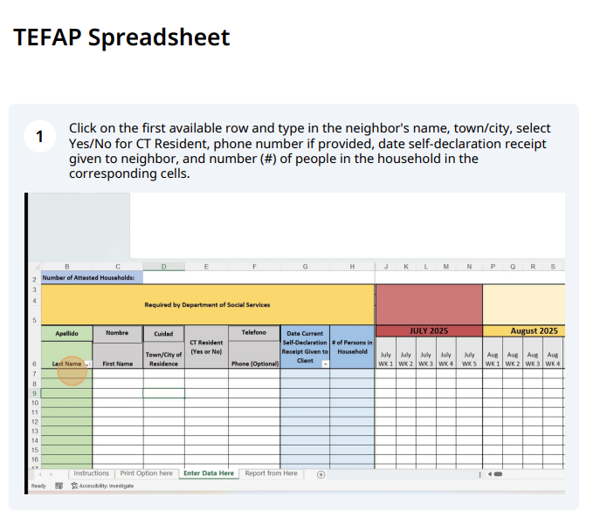

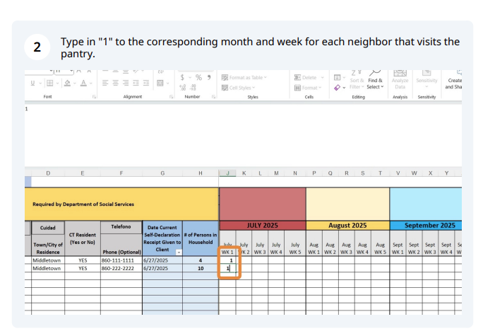

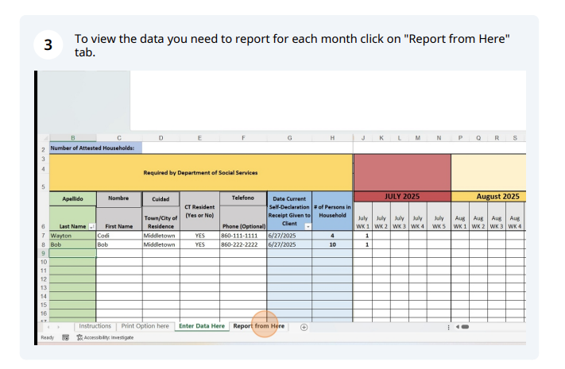

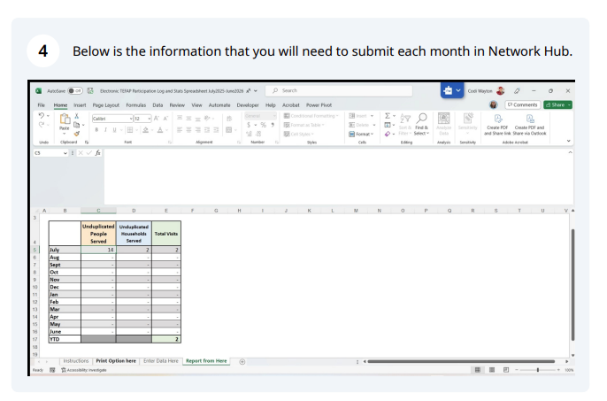

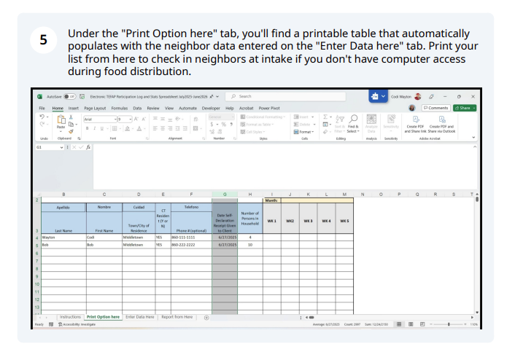

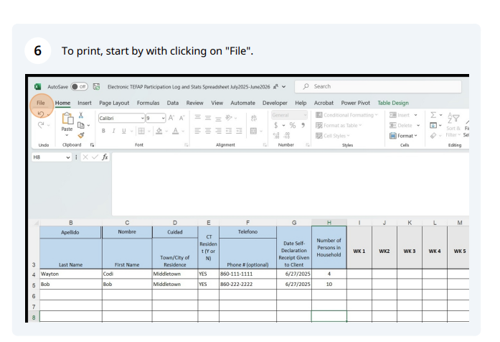



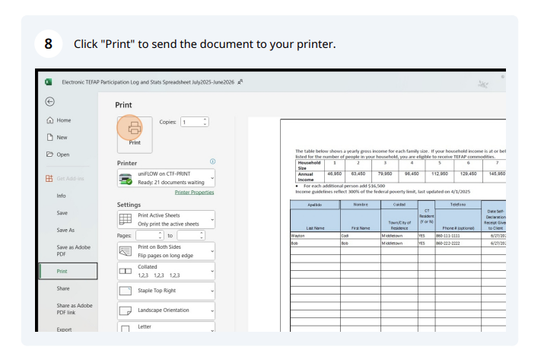

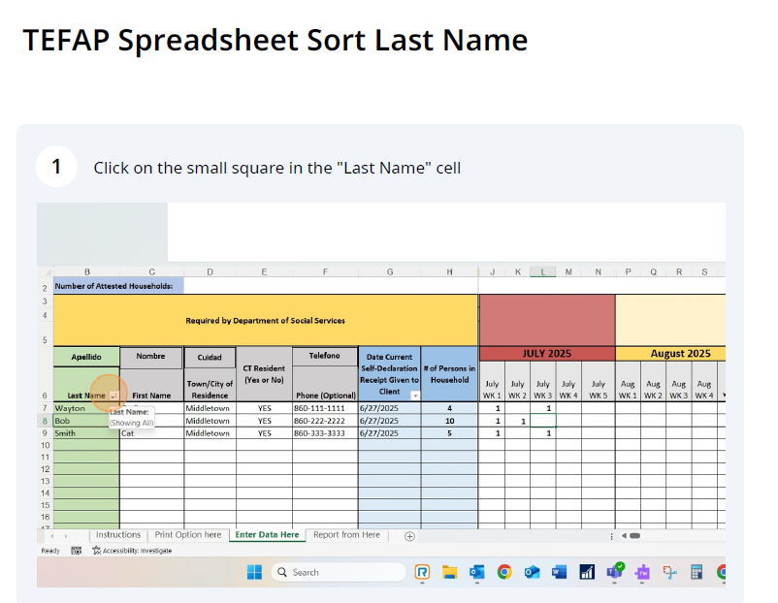

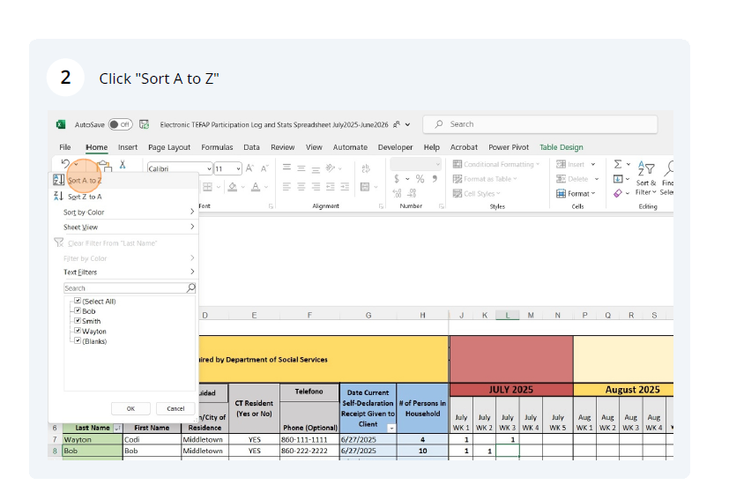

Enter Data Here
Number of Households: |  |  | 0 | Recording Year:
Guest Information |  |  |  |  |  |  |  |  | 0 | Total Households Served: |  |  |  | 0 | Total Households Served: |  |  |  | 0 | Total Households Served: |  |  |  | 0 | Total Households Served: |  |  |  | 0 | Total Households Served: |  |  |  | 0 | Total Households Served: |  |  |  | 0 | Total Households Served: |  |  |  | 0 | Total Households Served: |  |  |  | 0 | Total Households Served: |  |  |  | 0 | Total Households Served: |  |  |  | 0 | Total Hosueholds Served: |  |  |  | 0 | Total Households Served: |  |  |  | 0
 |  |  |  |  |  |  |  |  |  | Total Visits: |  |  |  | 0 | Total Visits: |  |  |  | 0 | Total Visits: |  |  |  | 0 | Total Visits: |  |  |  | 0 | Total Visits: |  |  |  | 0 | Total Visits: |  |  |  | 0 | Total Visits: |  |  |  | 0 | Total Visits: |  |  |  | 0 | Total Visits: |  |  |  | 0 | Total Visits: |  |  |  | 0 | Total Visits: |  |  |  | 0 | Total Visits: |  |  |  | 0

Nombre
Calle #
Calle
Piso #
Cuidad
Codigo
Telefono
JULY
August
September
October
November
December
January
February
March
April
May
June
Last Name | First Name | Street # | Street | Apt # | City | Zip | Phone (Optional) | # of Persons in Household | Jul Count | July WK 1 | July WK 2 | July WK 3 | July WK 4 | July WK 5 | Aug WK 1 | Aug WK 2 | Aug WK 3 | Aug WK 4 | Aug WK 5 | Sept WK 1 | Sept WK 2 | Sept WK 3 | Sept WK 4 | Sept WK 5 | Oct WK 1 | Oct WK 2 | Oct WK 3 | Oct WK 4 | Oct WK 5 | Nov WK 1 | Nov WK 2 | Nov WK 3 | Nov WK 4 | Nov WK 5 | Dec WK 1 | Dec WK 2 | Dec WK 3 | Dec WK 4 | Dec WK 5 | Jan WK 1 | Jan WK 2 | Jan WK 3 | Jan WK 4 | Jan WK 5 | Feb WK 1 | Feb WK 2 | Feb WK 3 | Feb WK 4 | Feb WK 5 | Mar WK 1 | Mar WK 2 | Mar WK 3 | Mar WK 4 | Mar WK 5 | Apr WK 1 | Apr WK 2 | Apr WK 3 | Apr WK 4 | Apr WK 5 | May WK 1 | May WK 2 | May WK 3 | May WK 4 | May WK 5 | June WK 1 | June WK 2 | June WK 3 | June WK 4 | June WK 5
 |  |  |  |  |  |  |  |  | -
 |  |  |  |  |  |  |  |  | -
 |  |  |  |  |  |  |  |  | -
 |  |  |  |  |  |  |  |  | -
 |  |  |  |  |  |  |  |  | -
 |  |  |  |  |  |  |  |  | -
 |  |  |  |  |  |  |  |  | -
 |  |  |  |  |  |  |  |  | -
 |  |  |  |  |  |  |  |  | -
 |  |  |  |  |  |  |  |  | -
 |  |  |  |  |  |  |  |  | -
 |  |  |  |  |  |  |  |  | -
 |  |  |  |  |  |  |  |  | -
 |  |  |  |  |  |  |  |  | -
 |  |  |  |  |  |  |  |  | -
 |  |  |  |  |  |  |  |  | -
 |  |  |  |  |  |  |  |  | -
 |  |  |  |  |  |  |  |  | -
 |  |  |  |  |  |  |  |  | -
 |  |  |  |  |  |  |  |  | -
 |  |  |  |  |  |  |  |  | -
 |  |  |  |  |  |  |  |  | -
 |  |  |  |  |  |  |  |  | -
 |  |  |  |  |  |  |  |  | -
 |  |  |  |  |  |  |  |  | -
 |  |  |  |  |  |  |  |  | -
 |  |  |  |  |  |  |  |  | -
 |  |  |  |  |  |  |  |  | -
 |  |  |  |  |  |  |  |  | -
 |  |  |  |  |  |  |  |  | -
 |  |  |  |  |  |  |  |  | -
 |  |  |  |  |  |  |  |  | -
 |  |  |  |  |  |  |  |  | -
 |  |  |  |  |  |  |  |  | -
 |  |  |  |  |  |  |  |  | -
 |  |  |  |  |  |  |  |  | -
 |  |  |  |  |  |  |  |  | -
 |  |  |  |  |  |  |  |  | -
 |  |  |  |  |  |  |  |  | -
 |  |  |  |  |  |  |  |  | -
 |  |  |  |  |  |  |  |  | -
 |  |  |  |  |  |  |  |  | -
 |  |  |  |  |  |  |  |  | -
 |  |  |  |  |  |  |  |  | -
 |  |  |  |  |  |  |  |  | -
 |  |  |  |  |  |  |  |  | -
 |  |  |  |  |  |  |  |  | -
 |  |  |  |  |  |  |  |  | -
 |  |  |  |  |  |  |  |  | -
 |  |  |  |  |  |  |  |  | -
 |  |  |  |  |  |  |  |  | -
 |  |  |  |  |  |  |  |  | -
 |  |  |  |  |  |  |  |  | -
 |  |  |  |  |  |  |  |  | -
 |  |  |  |  |  |  |  |  | -
 |  |  |  |  |  |  |  |  | -
 |  |  |  |  |  |  |  |  | -
 |  |  |  |  |  |  |  |  | -
 |  |  |  |  |  |  |  |  | -
 |  |  |  |  |  |  |  |  | -
 |  |  |  |  |  |  |  |  | -
 |  |  |  |  |  |  |  |  | -
 |  |  |  |  |  |  |  |  | -
 |  |  |  |  |  |  |  |  | -
 |  |  |  |  |  |  |  |  | -
 |  |  |  |  |  |  |  |  | -
 |  |  |  |  |  |  |  |  | -
 |  |  |  |  |  |  |  |  | -
 |  |  |  |  |  |  |  |  | -
 |  |  |  |  |  |  |  |  | -
 |  |  |  |  |  |  |  |  | -
 |  |  |  |  |  |  |  |  | -
 |  |  |  |  |  |  |  |  | -
 |  |  |  |  |  |  |  |  | -
 |  |  |  |  |  |  |  |  | -
 |  |  |  |  |  |  |  |  | -
 |  |  |  |  |  |  |  |  | -
 |  |  |  |  |  |  |  |  | -
 |  |  |  |  |  |  |  |  | -
 |  |  |  |  |  |  |  |  | -
 |  |  |  |  |  |  |  |  | -
 |  |  |  |  |  |  |  |  | -
 |  |  |  |  |  |  |  |  | -
 |  |  |  |  |  |  |  |  | -
 |  |  |  |  |  |  |  |  | -
 |  |  |  |  |  |  |  |  | -
 |  |  |  |  |  |  |  |  | -
 |  |  |  |  |  |  |  |  | -
 |  |  |  |  |  |  |  |  | -
 |  |  |  |  |  |  |  |  | -
 |  |  |  |  |  |  |  |  | -
 |  |  |  |  |  |  |  |  | -
 |  |  |  |  |  |  |  |  | -
 |  |  |  |  |  |  |  |  | -
 |  |  |  |  |  |  |  |  | -
 |  |  |  |  |  |  |  |  | -
 |  |  |  |  |  |  |  |  | -
 |  |  |  |  |  |  |  |  | -
 |  |  |  |  |  |  |  |  | -
 |  |  |  |  |  |  |  |  | -
 |  |  |  |  |  |  |  |  | -
 |  |  |  |  |  |  |  |  | -
 |  |  |  |  |  |  |  |  | -
 |  |  |  |  |  |  |  |  | -
 |  |  |  |  |  |  |  |  | -
 |  |  |  |  |  |  |  |  | -
 |  |  |  |  |  |  |  |  | -
 |  |  |  |  |  |  |  |  | -
 |  |  |  |  |  |  |  |  | -
 |  |  |  |  |  |  |  |  | -
 |  |  |  |  |  |  |  |  | -
 |  |  |  |  |  |  |  |  | -
 |  |  |  |  |  |  |  |  | -
 |  |  |  |  |  |  |  |  | -
 |  |  |  |  |  |  |  |  | -
 |  |  |  |  |  |  |  |  | -
 |  |  |  |  |  |  |  |  | -
 |  |  |  |  |  |  |  |  | -
 |  |  |  |  |  |  |  |  | -
 |  |  |  |  |  |  |  |  | -
 |  |  |  |  |  |  |  |  | -
 |  |  |  |  |  |  |  |  | -
 |  |  |  |  |  |  |  |  | -
 |  |  |  |  |  |  |  |  | -
 |  |  |  |  |  |  |  |  | -
 |  |  |  |  |  |  |  |  | -
 |  |  |  |  |  |  |  |  | -
 |  |  |  |  |  |  |  |  | -
 |  |  |  |  |  |  |  |  | -
 |  |  |  |  |  |  |  |  | -
 |  |  |  |  |  |  |  |  | -
 |  |  |  |  |  |  |  |  | -
 |  |  |  |  |  |  |  |  | -
 |  |  |  |  |  |  |  |  | -
 |  |  |  |  |  |  |  |  | -
 |  |  |  |  |  |  |  |  | -
 |  |  |  |  |  |  |  |  | -
 |  |  |  |  |  |  |  |  | -
 |  |  |  |  |  |  |  |  | -
 |  |  |  |  |  |  |  |  | -
 |  |  |  |  |  |  |  |  | -
 |  |  |  |  |  |  |  |  | -
 |  |  |  |  |  |  |  |  | -
 |  |  |  |  |  |  |  |  | -
 |  |  |  |  |  |  |  |  | -
 |  |  |  |  |  |  |  |  | -
 |  |  |  |  |  |  |  |  | -
 |  |  |  |  |  |  |  |  | -
 |  |  |  |  |  |  |  |  | -
 |  |  |  |  |  |  |  |  | -
 |  |  |  |  |  |  |  |  | -
 |  |  |  |  |  |  |  |  | -
 |  |  |  |  |  |  |  |  | -
 |  |  |  |  |  |  |  |  | -
 |  |  |  |  |  |  |  |  | -
 |  |  |  |  |  |  |  |  | -
 |  |  |  |  |  |  |  |  | -
 |  |  |  |  |  |  |  |  | -
 |  |  |  |  |  |  |  |  | -
 |  |  |  |  |  |  |  |  | -
 |  |  |  |  |  |  |  |  | -
 |  |  |  |  |  |  |  |  | -
 |  |  |  |  |  |  |  |  | -
 |  |  |  |  |  |  |  |  | -
 |  |  |  |  |  |  |  |  | -
 |  |  |  |  |  |  |  |  | -
 |  |  |  |  |  |  |  |  | -
 |  |  |  |  |  |  |  |  | -
 |  |  |  |  |  |  |  |  | -
 |  |  |  |  |  |  |  |  | -
 |  |  |  |  |  |  |  |  | -
 |  |  |  |  |  |  |  |  | -
 |  |  |  |  |  |  |  |  | -
 |  |  |  |  |  |  |  |  | -
 |  |  |  |  |  |  |  |  | -
 |  |  |  |  |  |  |  |  | -
 |  |  |  |  |  |  |  |  | -
 |  |  |  |  |  |  |  |  | -
 |  |  |  |  |  |  |  |  | -
 |  |  |  |  |  |  |  |  | -
 |  |  |  |  |  |  |  |  | -
 |  |  |  |  |  |  |  |  | -
 |  |  |  |  |  |  |  |  | -
 |  |  |  |  |  |  |  |  | -
 |  |  |  |  |  |  |  |  | -
 |  |  |  |  |  |  |  |  | -
 |  |  |  |  |  |  |  |  | -
 |  |  |  |  |  |  |  |  | -
 |  |  |  |  |  |  |  |  | -
 |  |  |  |  |  |  |  |  | -
 |  |  |  |  |  |  |  |  | -
 |  |  |  |  |  |  |  |  | -
 |  |  |  |  |  |  |  |  | -
 |  |  |  |  |  |  |  |  | -
 |  |  |  |  |  |  |  |  | -
 |  |  |  |  |  |  |  |  | -
 |  |  |  |  |  |  |  |  | -
 |  |  |  |  |  |  |  |  | -
 |  |  |  |  |  |  |  |  | -
 |  |  |  |  |  |  |  |  | -
 |  |  |  |  |  |  |  |  | -
 |  |  |  |  |  |  |  |  | -
 |  |  |  |  |  |  |  |  | -
 |  |  |  |  |  |  |  |  | -
 |  |  |  |  |  |  |  |  | -
 |  |  |  |  |  |  |  |  | -
 |  |  |  |  |  |  |  |  | -
 |  |  |  |  |  |  |  |  | -
 |  |  |  |  |  |  |  |  | -
 |  |  |  |  |  |  |  |  | -
 |  |  |  |  |  |  |  |  | -
 |  |  |  |  |  |  |  |  | -
 |  |  |  |  |  |  |  |  | -
 |  |  |  |  |  |  |  |  | -
 |  |  |  |  |  |  |  |  | -
 |  |  |  |  |  |  |  |  | -
 |  |  |  |  |  |  |  |  | -
 |  |  |  |  |  |  |  |  | -
 |  |  |  |  |  |  |  |  | -
 |  |  |  |  |  |  |  |  | -
 |  |  |  |  |  |  |  |  | -
 |  |  |  |  |  |  |  |  | -
 |  |  |  |  |  |  |  |  | -
 |  |  |  |  |  |  |  |  | -
 |  |  |  |  |  |  |  |  | -
 |  |  |  |  |  |  |  |  | -
 |  |  |  |  |  |  |  |  | -
 |  |  |  |  |  |  |  |  | -
 |  |  |  |  |  |  |  |  | -
 |  |  |  |  |  |  |  |  | -
 |  |  |  |  |  |  |  |  | -
 |  |  |  |  |  |  |  |  | -
 |  |  |  |  |  |  |  |  | -
 |  |  |  |  |  |  |  |  | -
 |  |  |  |  |  |  |  |  | -
 |  |  |  |  |  |  |  |  | -
 |  |  |  |  |  |  |  |  | -
 |  |  |  |  |  |  |  |  | -
 |  |  |  |  |  |  |  |  | -
 |  |  |  |  |  |  |  |  | -
 |  |  |  |  |  |  |  |  | -
 |  |  |  |  |  |  |  |  | -
 |  |  |  |  |  |  |  |  | -
 |  |  |  |  |  |  |  |  | -
 |  |  |  |  |  |  |  |  | -
 |  |  |  |  |  |  |  |  | -
 |  |  |  |  |  |  |  |  | -
 |  |  |  |  |  |  |  |  | -
 |  |  |  |  |  |  |  |  | -
 |  |  |  |  |  |  |  |  | -
 |  |  |  |  |  |  |  |  | -
 |  |  |  |  |  |  |  |  | -
 |  |  |  |  |  |  |  |  | -
 |  |  |  |  |  |  |  |  | -
 |  |  |  |  |  |  |  |  | -
 |  |  |  |  |  |  |  |  | -
 |  |  |  |  |  |  |  |  | -
 |  |  |  |  |  |  |  |  | -
 |  |  |  |  |  |  |  |  | -
 |  |  |  |  |  |  |  |  | -
 |  |  |  |  |  |  |  |  | -
 |  |  |  |  |  |  |  |  | -
 |  |  |  |  |  |  |  |  | -
 |  |  |  |  |  |  |  |  | -
 |  |  |  |  |  |  |  |  | -
 |  |  |  |  |  |  |  |  | -
 |  |  |  |  |  |  |  |  | -
 |  |  |  |  |  |  |  |  | -
 |  |  |  |  |  |  |  |  | -
 |  |  |  |  |  |  |  |  | -
 |  |  |  |  |  |  |  |  | -
 |  |  |  |  |  |  |  |  | -
 |  |  |  |  |  |  |  |  | -
 |  |  |  |  |  |  |  |  | -
 |  |  |  |  |  |  |  |  | -
 |  |  |  |  |  |  |  |  | -
 |  |  |  |  |  |  |  |  | -
 |  |  |  |  |  |  |  |  | -
 |  |  |  |  |  |  |  |  | -
 |  |  |  |  |  |  |  |  | -
 |  |  |  |  |  |  |  |  | -
 |  |  |  |  |  |  |  |  | -
 |  |  |  |  |  |  |  |  | -
 |  |  |  |  |  |  |  |  | -
 |  |  |  |  |  |  |  |  | -
 |  |  |  |  |  |  |  |  | -
 |  |  |  |  |  |  |  |  | -
 |  |  |  |  |  |  |  |  | -
 |  |  |  |  |  |  |  |  | -
 |  |  |  |  |  |  |  |  | -
 |  |  |  |  |  |  |  |  | -
 |  |  |  |  |  |  |  |  | -
 |  |  |  |  |  |  |  |  | -
 |  |  |  |  |  |  |  |  | -
 |  |  |  |  |  |  |  |  | -
 |  |  |  |  |  |  |  |  | -
 |  |  |  |  |  |  |  |  | -
 |  |  |  |  |  |  |  |  | -
 |  |  |  |  |  |  |  |  | -
 |  |  |  |  |  |  |  |  | -
 |  |  |  |  |  |  |  |  | -
 |  |  |  |  |  |  |  |  | -
 |  |  |  |  |  |  |  |  | -
 |  |  |  |  |  |  |  |  | -
 |  |  |  |  |  |  |  |  | -
 |  |  |  |  |  |  |  |  | -
 |  |  |  |  |  |  |  |  | -
 |  |  |  |  |  |  |  |  | -
 |  |  |  |  |  |  |  |  | -
 |  |  |  |  |  |  |  |  | -
 |  |  |  |  |  |  |  |  | -
 |  |  |  |  |  |  |  |  | -
 |  |  |  |  |  |  |  |  | -
 |  |  |  |  |  |  |  |  | -
 |  |  |  |  |  |  |  |  | -
 |  |  |  |  |  |  |  |  | -
 |  |  |  |  |  |  |  |  | -
 |  |  |  |  |  |  |  |  | -
 |  |  |  |  |  |  |  |  | -
 |  |  |  |  |  |  |  |  | -
 |  |  |  |  |  |  |  |  | -
 |  |  |  |  |  |  |  |  | -
 |  |  |  |  |  |  |  |  | -
 |  |  |  |  |  |  |  |  | -
 |  |  |  |  |  |  |  |  | -
 |  |  |  |  |  |  |  |  | -
 |  |  |  |  |  |  |  |  | -
 |  |  |  |  |  |  |  |  | -
 |  |  |  |  |  |  |  |  | -
 |  |  |  |  |  |  |  |  | -
 |  |  |  |  |  |  |  |  | -
 |  |  |  |  |  |  |  |  | -
 |  |  |  |  |  |  |  |  | -
 |  |  |  |  |  |  |  |  | -
 |  |  |  |  |  |  |  |  | -
 |  |  |  |  |  |  |  |  | -
 |  |  |  |  |  |  |  |  | -
 |  |  |  |  |  |  |  |  | -
 |  |  |  |  |  |  |  |  | -
 |  |  |  |  |  |  |  |  | -
 |  |  |  |  |  |  |  |  | -
 |  |  |  |  |  |  |  |  | -
 |  |  |  |  |  |  |  |  | -
 |  |  |  |  |  |  |  |  | -
 |  |  |  |  |  |  |  |  | -
 |  |  |  |  |  |  |  |  | -
 |  |  |  |  |  |  |  |  | -
 |  |  |  |  |  |  |  |  | -
 |  |  |  |  |  |  |  |  | -
 |  |  |  |  |  |  |  |  | -
 |  |  |  |  |  |  |  |  | -
 |  |  |  |  |  |  |  |  | -
 |  |  |  |  |  |  |  |  | -
 |  |  |  |  |  |  |  |  | -
 |  |  |  |  |  |  |  |  | -
 |  |  |  |  |  |  |  |  | -
 |  |  |  |  |  |  |  |  | -
 |  |  |  |  |  |  |  |  | -
 |  |  |  |  |  |  |  |  | -
 |  |  |  |  |  |  |  |  | -
 |  |  |  |  |  |  |  |  | -
 |  |  |  |  |  |  |  |  | -
 |  |  |  |  |  |  |  |  | -
 |  |  |  |  |  |  |  |  | -
 |  |  |  |  |  |  |  |  | -
 |  |  |  |  |  |  |  |  | -
 |  |  |  |  |  |  |  |  | -
 |  |  |  |  |  |  |  |  | -
 |  |  |  |  |  |  |  |  | -
 |  |  |  |  |  |  |  |  | -
 |  |  |  |  |  |  |  |  | -
 |  |  |  |  |  |  |  |  | -
 |  |  |  |  |  |  |  |  | -
 |  |  |  |  |  |  |  |  | -
 |  |  |  |  |  |  |  |  | -
 |  |  |  |  |  |  |  |  | -
 |  |  |  |  |  |  |  |  | -
 |  |  |  |  |  |  |  |  | -
 |  |  |  |  |  |  |  |  | -
 |  |  |  |  |  |  |  |  | -
 |  |  |  |  |  |  |  |  | -
 |  |  |  |  |  |  |  |  | -
 |  |  |  |  |  |  |  |  | -
 |  |  |  |  |  |  |  |  | -
 |  |  |  |  |  |  |  |  | -
 |  |  |  |  |  |  |  |  | -
 |  |  |  |  |  |  |  |  | -
 |  |  |  |  |  |  |  |  | -
 |  |  |  |  |  |  |  |  | -
 |  |  |  |  |  |  |  |  | -
 |  |  |  |  |  |  |  |  | -
 |  |  |  |  |  |  |  |  | -
 |  |  |  |  |  |  |  |  | -
 |  |  |  |  |  |  |  |  | -
 |  |  |  |  |  |  |  |  | -
 |  |  |  |  |  |  |  |  | -
 |  |  |  |  |  |  |  |  | -
 |  |  |  |  |  |  |  |  | -
 |  |  |  |  |  |  |  |  | -
 |  |  |  |  |  |  |  |  | -
 |  |  |  |  |  |  |  |  | -
 |  |  |  |  |  |  |  |  | -
 |  |  |  |  |  |  |  |  | -
 |  |  |  |  |  |  |  |  | -
 |  |  |  |  |  |  |  |  | -
 |  |  |  |  |  |  |  |  | -
 |  |  |  |  |  |  |  |  | -
 |  |  |  |  |  |  |  |  | -
 |  |  |  |  |  |  |  |  | -
 |  |  |  |  |  |  |  |  | -
 |  |  |  |  |  |  |  |  | -
 |  |  |  |  |  |  |  |  | -
 |  |  |  |  |  |  |  |  | -
 |  |  |  |  |  |  |  |  | -
 |  |  |  |  |  |  |  |  | -
 |  |  |  |  |  |  |  |  | -
 |  |  |  |  |  |  |  |  | -
 |  |  |  |  |  |  |  |  | -
 |  |  |  |  |  |  |  |  | -
 |  |  |  |  |  |  |  |  | -
 |  |  |  |  |  |  |  |  | -
 |  |  |  |  |  |  |  |  | -
 |  |  |  |  |  |  |  |  | -
 |  |  |  |  |  |  |  |  | -
 |  |  |  |  |  |  |  |  | -
 |  |  |  |  |  |  |  |  | -
 |  |  |  |  |  |  |  |  | -
 |  |  |  |  |  |  |  |  | -
 |  |  |  |  |  |  |  |  | -
 |  |  |  |  |  |  |  |  | -
 |  |  |  |  |  |  |  |  | -
 |  |  |  |  |  |  |  |  | -
 |  |  |  |  |  |  |  |  | -
 |  |  |  |  |  |  |  |  | -
 |  |  |  |  |  |  |  |  | -
...

Print Option here
Nombre
Apellido
Calle #
Calle
Piso #
Cuidad
Codigo
Confirmando Igreso Anual
Telefono
 |  |  |  |  |  |  |  |  | Month:
Last Name | First Name | Num. St. # | Street | Apt/Fl # | City | Postal Zip | Phone # (optional) | Number of Persons in Household | WK 1 | WK2 | WK 3 | WK 4 | WK 5
...

