Sheet1
Oakwood Family Homes
Lease-Purchase Exit Strategy
Interfaith |  |  |  |  |  |  |  |  |  | Nori
 |  |  | 23
 |  | 2029 | Per Unit | 2026 |  |  | Rate | Maturity
 | Lender | Balance | per unit | Current | per unit
 | (1st) Pac Life / Berkadia(?) | $- | $- | $856,820 | $37,253 | need amend the mortgage to allow spinning off of units |  |  | First time Homebuyer assistance | asset managemet
 | (2nd) CDA | $- | $- | $940,000 | $40,870 |  |  |  | need date of end of Compliance Period |  | Joseph Pulver - dir of asset management
 | (3rd) ACDS | $- | $- | $650,000 | $28,261 |  |  |  |  |  | Joey / Joe
 | CDA Accrued Interest @ 2/26 |  |  | $136,150 | $5,920
 | ACDS Accrued Interest @ 2/26 |  |  | $119,566 | $5,199
 | Development Fees Payable |  |  | $457,563 | $19,894
 | Accrued Partnership Management Fee |  |  | $25,000 | $1,087 | as of 12/31/2018; $5000 per year so likely higher
 | Accrued Special Limited Partner Distribution
 | OPTIONAL: Closing Cost Assistance |  |  | $184,000 | $8,000 | per Lease-Purchase Strategy
 | OPTIONAL: HOA Reserve Fund |  |  | $50,025 | $2,175 | per Lease-Purchase Strategy
 | LP Exit Taxes, Other (BOA) | $- | $- | $- | $- | need an estimate
 | Application of Property Level Reserves | $- | $- | $- | $-
$20,000 | Unit upgrades | $440,000 | $19,130 | $440,000 | $19,130
 | Retrofit Club house | $200,000 | $8,696 | $200,000 | $8,696 |  |  |  | source:
 | General Closing Costs GP | $100,000 | $4,348 | $100,000 | $4,348 |  |  |  | Reserve - $300K?
$10,000 | Indvidual Mortgage Closing Costs | $230,000 | $10,000 | $230,000 | $10,000
 |  | $970,000 | $42,174 | $4,389,124 | $190,831 |  |  | From MDHCD RHPP Regulatory Agreement

 |  | New Mortgage |  | Soft Second | Appraised Value
 |  | $190,831 |  | $209,169 | $400,000
 | Rate | 6.50%
 | Amort | 30
 | PMT (annual) | $14,474 | annual

 |  | Monthly | Annual
 | Mortgage PMT | $1,206.18 | $14,474
 | Taxes | $163.04 | $1,957 | need to calculate this based on the value of the home / tax exemption?
 | Insurance | $123.19 | $1,478
 | Utilities (Water/ Sewer) | $74.82 | $898
1.0 | Maintenance | $416.67 | $5,000
1.0 | HOA | $83.33 | $1,000
 | Total monthly | $2,067 | $24,807 |  |  |  |  | ACDS HOME Covenant

 |  | what income does this translate to
 |  | $82,690

 | Anne-Arundel County | 4-person | 3-person
 | 60% AMI | $78,180 | $70,380
 | 50% AMI | $65,150
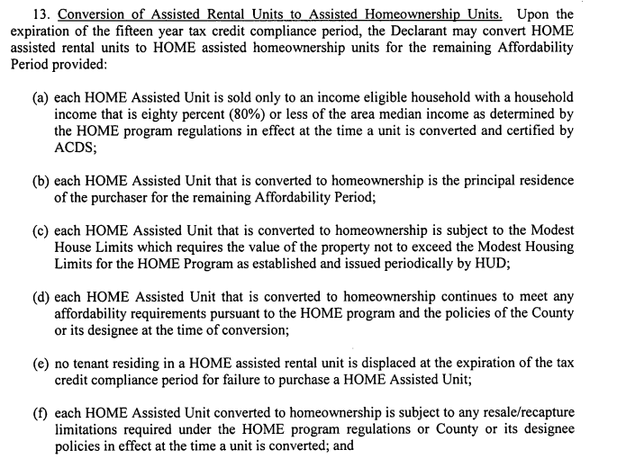
 | 40% AMI

