Step 1 Plate Cost
 |  |  |  |  |  |  | Instructions: ONLY enter information in the grey cells. Enter your menu here in column A. Enter the Selling Price of each menu item in Column B. And Enter the number of each item you have sold in the last month by referring to your PMIX report. Then go to the tab (at the bottom) "Step 2 Item Cost"
www.kacconsulting.com
 |  |  |  |  |  |  | NOTE: You can use Margin Edge to automate this process. Please contact us to learn more

Plate Cost | Selling Price | Plate Cost | Profit | COGS % | Spread | # Sold per PMIX | #Sold x Spread
Menu Items
Hamburger and French Fries | 15.99 | $5.03 | 10.96 | 31.46% | $6.45 | 350 | $2,257.50 | What is Profit Spread?
Steak Baked Potato | 27.99 | $10.58 | 17.41 | 37.80% | $- | 250 | $- | Profit spread measures the difference in profit between each menu item and your top-performing (most profitable) dish. It highlights how much less profit you make per sale compared to your best item.
 |  | $- | 0 | 0.00% | $- |  | $-
 |  | $- | 0 | 0.00% | $- |  | $- | Why is This Important?
 |  | $- | 0 | 0.00% | $- |  | $- | • See Missed Profit: High spread means you’re making less profit per sale than you could be.
 |  | $- | 0 | 0.00% | $- |  | $- | • Smart Decisions: Quickly spot items that need re-pricing or cost adjustments.
 |  | $- | 0 | 0.00% | $- |  | $- | • Menu Improvement: Identify which dishes to promote and which need attention, boosting your overall profits.
 |  | $- | 0 | 0.00% | $- |  | $-
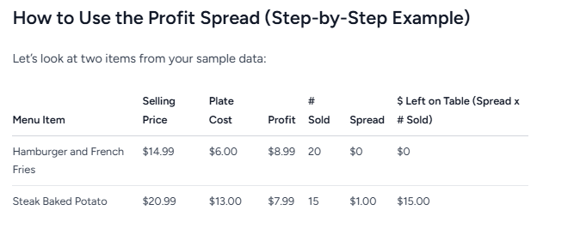
 |  | $- | 0 | 0.00% | $- |  | $- | |
 |  | $- | 0 | 0.00% | $- |  | $-
 |  | $- | 0 | 0.00% | $- |  | $-
 |  | $- | 0 | 0.00% | $- |  | $-
 |  | $- | 0 | 0.00% | $- |  | $-
 |  | $- | 0 | 0.00% | $- |  | $-
 |  | $- | 0 | 0.00% | $- |  | $-
 |  | $- | 0 | 0.00% | $- |  | $-
 |  | $- | 0 | 0.00% | $- |  | $-
 |  | $- | 0 | 0.00% | $- |  | $-
 |  | $- | 0 | 0.00% | $- |  | $-
 |  | $- | 0 | 0.00% | $- |  | $-
 |  | $- | 0 | 0.00% | $- |  | $-
 |  | $- | 0 | 0.00% | $- |  | $-
 |  | $- | 0 | 0.00% | $- |  | $-
 |  | $- | 0 | 0.00% | $- |  | $- | How to interpret:
 |  | $- | 0 | 0.00% | $- |  | $- | • Hamburger and French Fries is your most profitable item ($8.99 profit per sale, spread = $0).
 |  | $- | 0 | 0.00% | $- |  | $- | • Steak Baked Potato makes $7.99 profit per sale (spread = $1.00), so each time you sell one instead of the burger, you make $1 less.
 |  | $- | 0 | 0.00% | $- |  | $- | • Over 15 sales, that’s $15 in missed profit (“left on the table”) if you don’t improve the steak’s margin.
 |  | $- | 0 | 0.00% | $- |  | $-
 |  | $- | 0 | 0.00% | $- |  | $- | What To Do With This Info?
 |  | $- | 0 | 0.00% | $- |  | $- | • Review menu items with the highest “dollars left on the table.”
 |  | $- | 0 | 0.00% | $- |  | $- | Consider:
 |  | $- | 0 | 0.00% | $- |  | $- | • Raising the price
 |  | $- | 0 | 0.00% | $- |  | $- | • Promoting lower-spread items
 |  | $- | 0 | 0.00% | $- |  | $- | • Adjusting recipes or costs for high-spread items
 |  | $- | 0 | 0.00% | $- |  | $- | • Adjust your menu to encourage customers to pick more profitable items and consider removing items that can’t be improved.
 |  | $- | 0 | 0.00% | $- |  | $- | • Use the “Spread” and “# Sold x Spread” columns to target your biggest opportunities!
 |  | $- | 0 | 0.00% | $- |  | $-
 |  | $- | 0 | 0.00% | $- |  | $- | Tip: Small menu changes can add up to thousands in extra profit per year—without increasing costs!
 |  | $- | 0 | 0.00% | $- |  | $-
Total |  |  |  |  |  |  | $2,257.50 | Need to automate this process? Ask us about Margin Edge.

