Sheet1
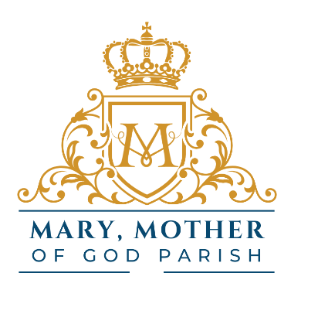
 |  |  | Mary, Mother of God Parish, Washington, Illinois
 |  |  | Religious Education Registration Form
 |  |  | 2026-2027
 |  |  | Please complete only one fee sheet per family

 | FEE SHEET

STUDENT NAMES |  |  |  |  |  | Grade | AGE | Fee

Number Children |  |  | x | $90 |  | = | $

Per First Communicant (2nd Grade) |  |  |  | add $60 | x ____ | = | $
Per Confirmation Student (7th Grade) |  |  |  | add $90 | x ____ | = | $
Per Student Late Fee (after 9/1) |  |  |  | add $25 | x ____ | = | $

Total Due |  |  |  |  |  |  | $
 |  | CHECK |  |  | CASH

 |  |  |  |  |  | CCD+FEE+SHEET+2026-2027+MMG.xlsx

